Faculty Nameplates
Department of Computer Engineering

Details of Faculty
SR.No. | Name of Faculty | Designation | Photo
1 | Dr.Madhuri N.Jadhav | Assistant Profesor | 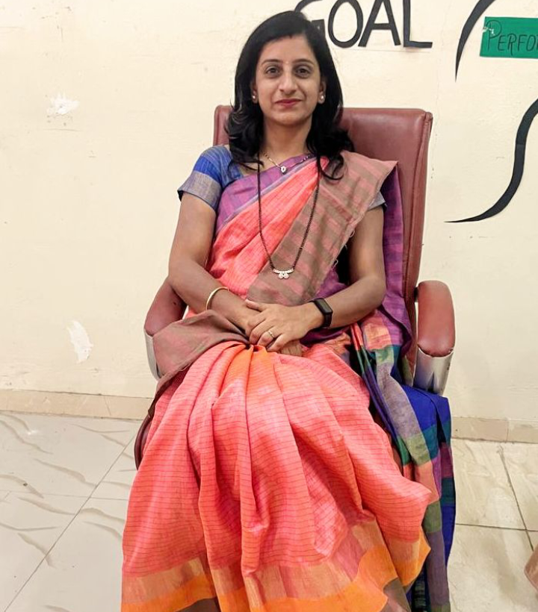
2 | Prof.Anil D.Gujar | Assistant Profesor | 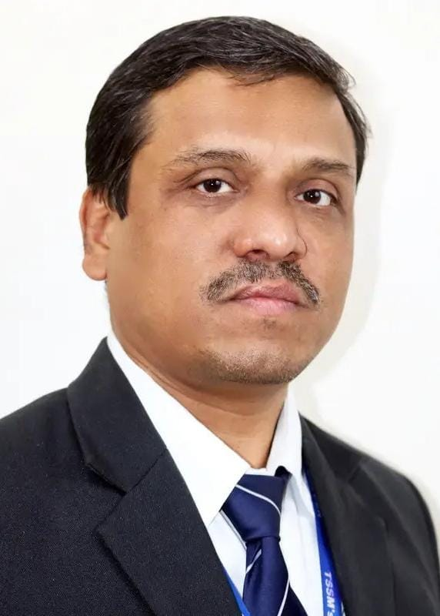
3 | Dr. Deepa A.Padalkar | Assistant Profesor | 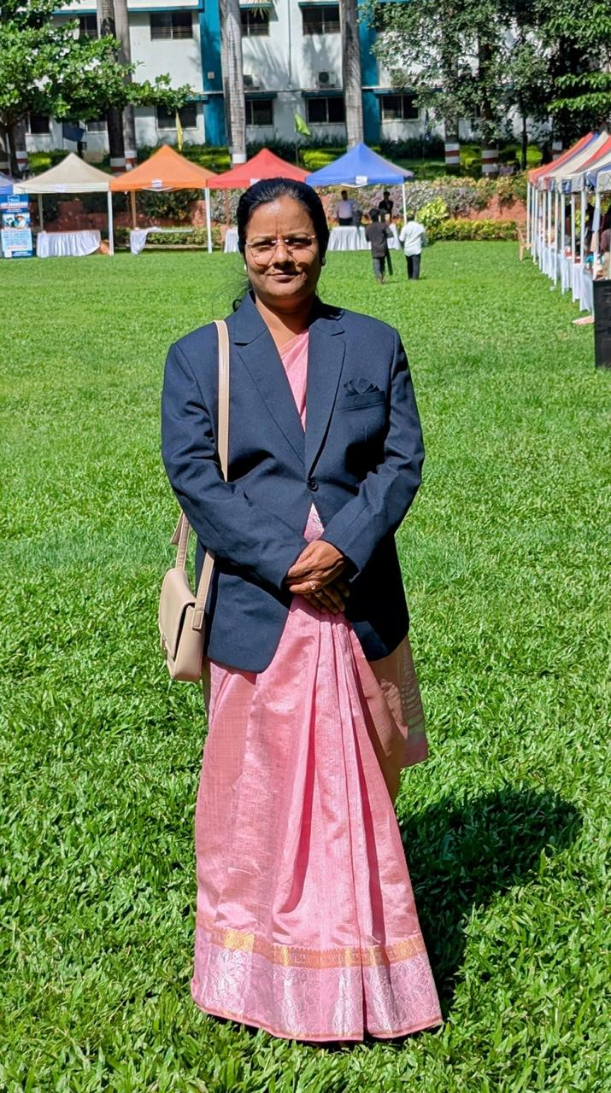
4 | Prof.Puja R.Patil | Assistant Profesor | 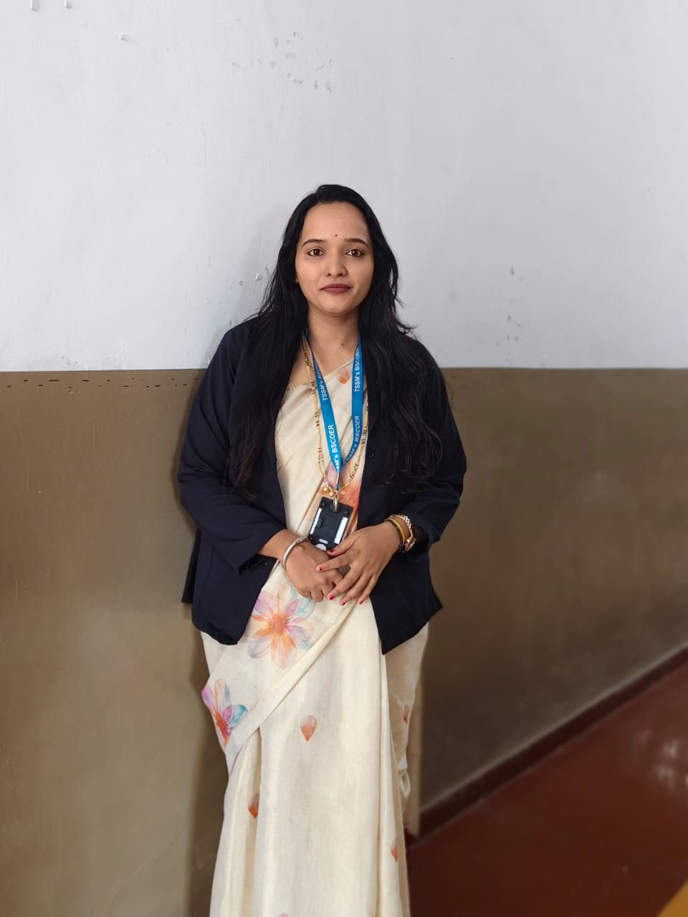
5 | Prof.Shubhangi S.Bhagat | Assistant Profesor | 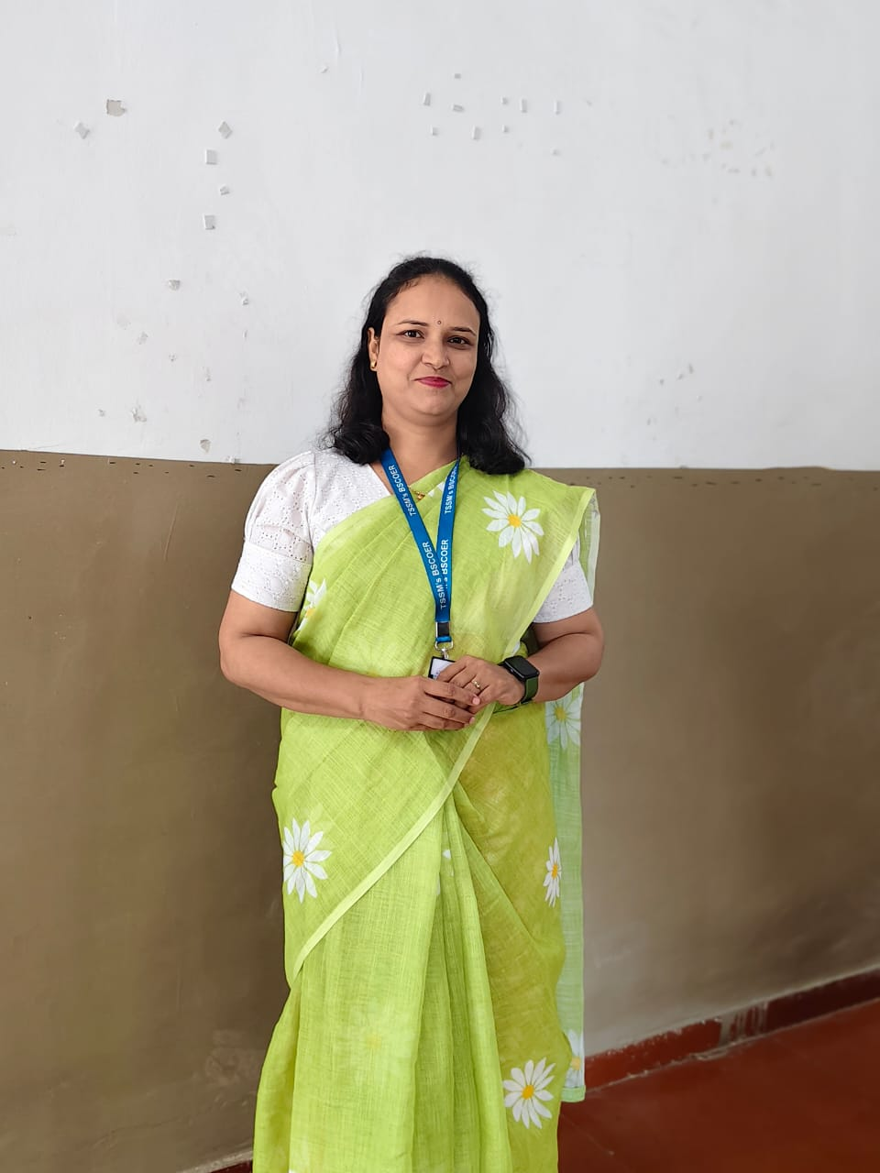
6 | Prof.Arti D.Dhumal | Assistant Profesor | 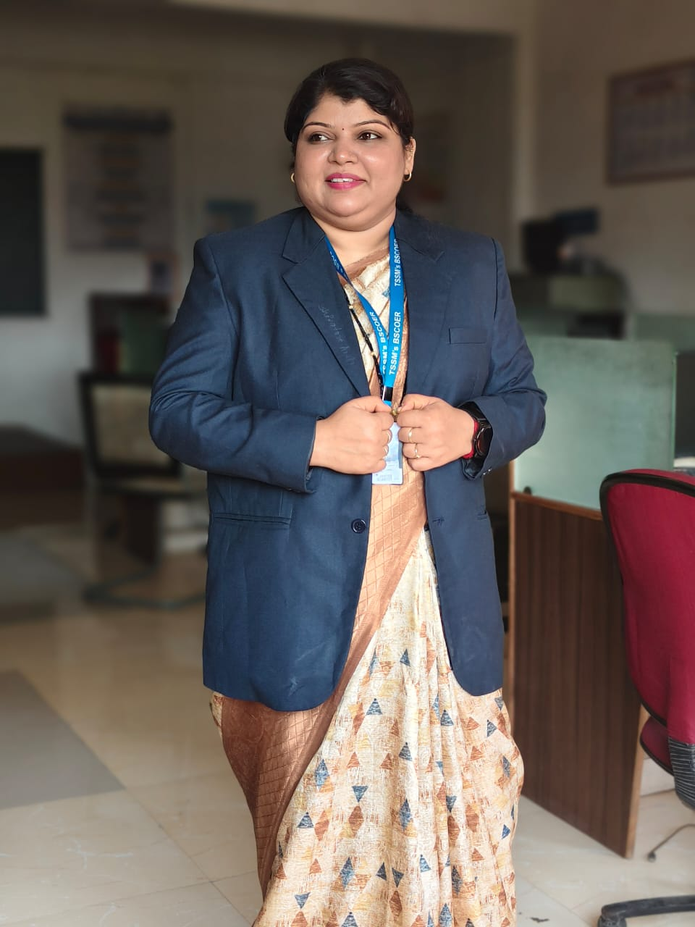
7 | Prof.Nikita G. Khandare | Assistant Profesor | 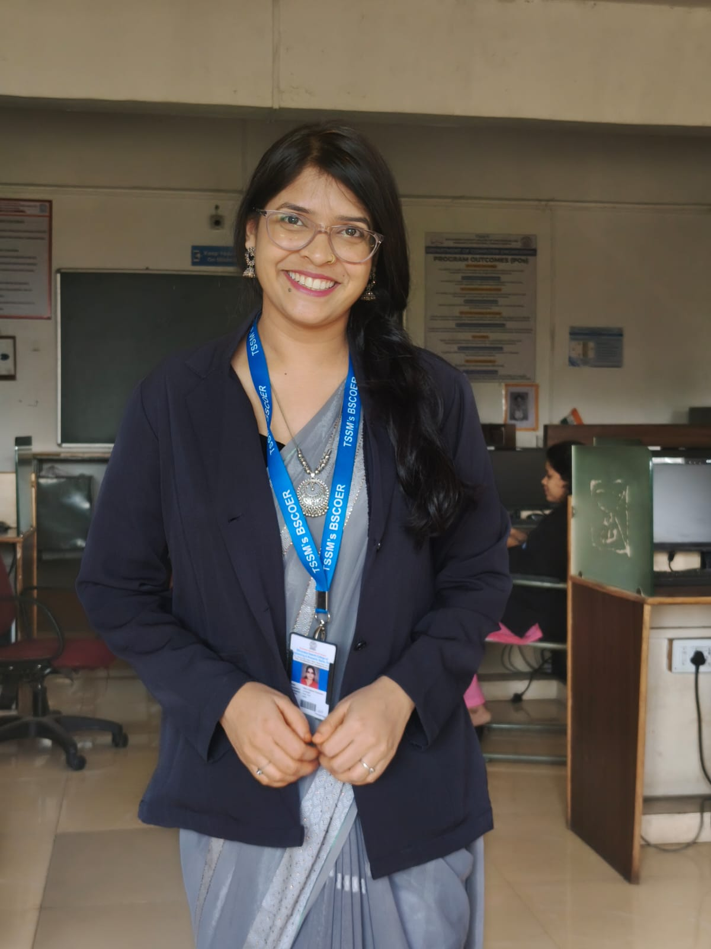
8 | Prof.Pooja R.Raut | Assistant Profesor | 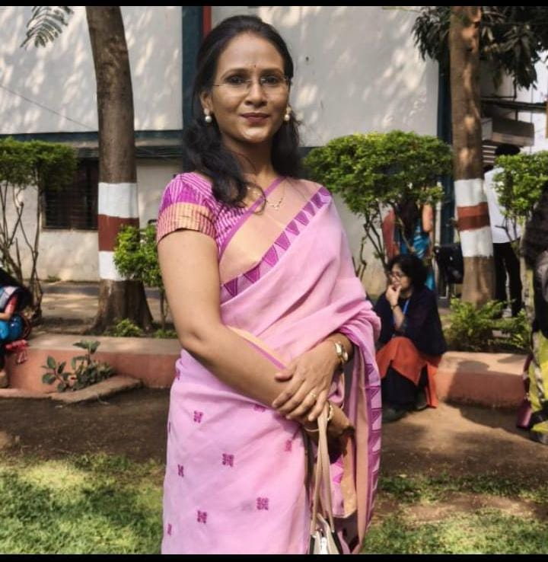
9 | Prof.Varsharani R.Yedage | Assistant Profesor | 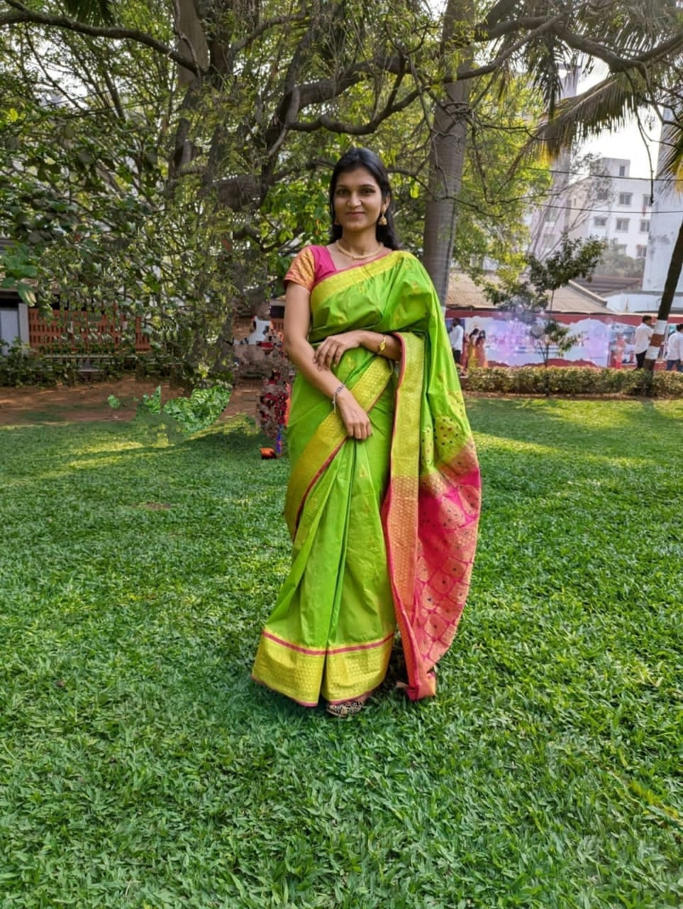
10 | Prof.Anuja M.Yelve | Assistant Profesor | 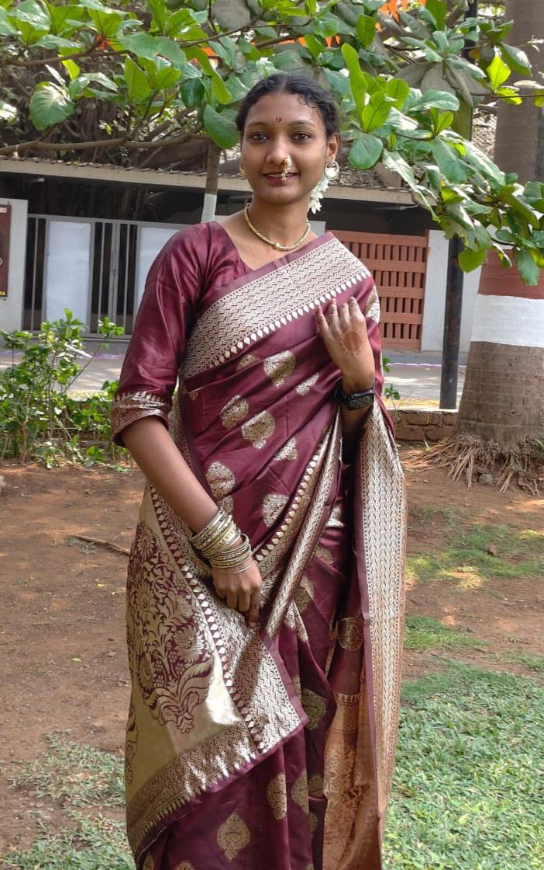
11 | Prof.Sneha P.Dhule | Assistant Profesor | 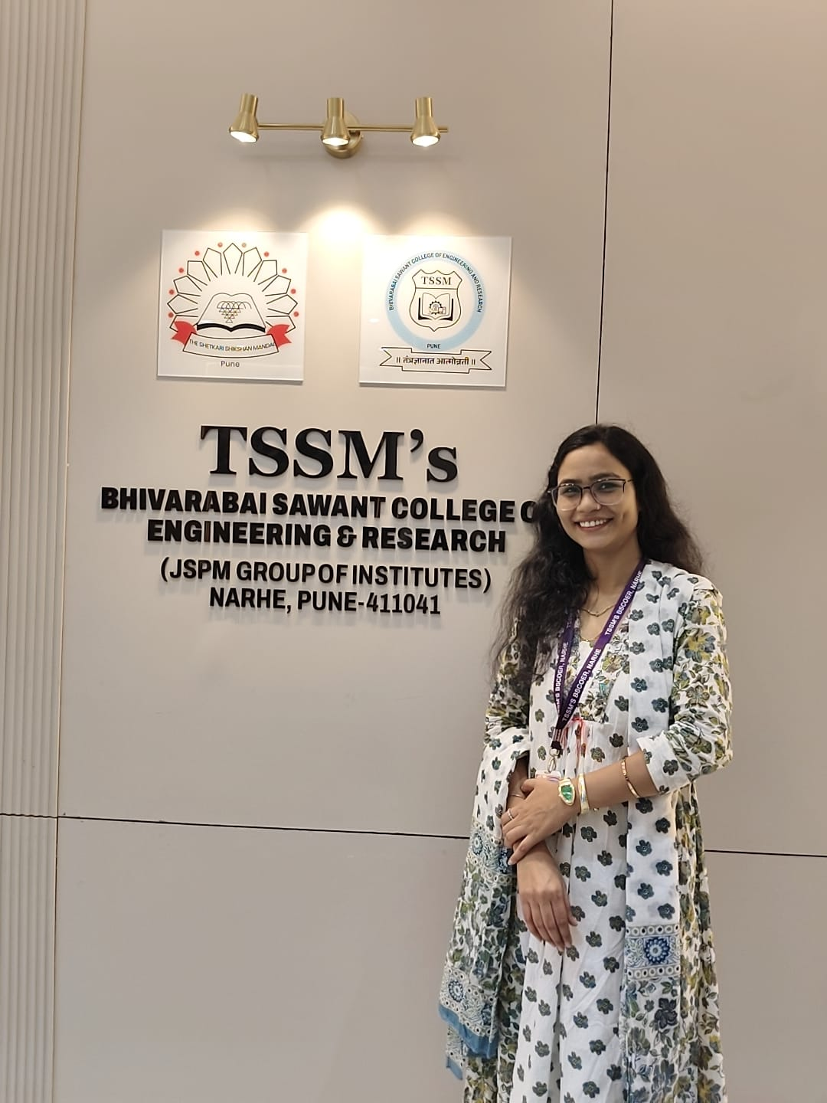
12 | Prof.Shital N. Kalpande | Assistant Profesor | 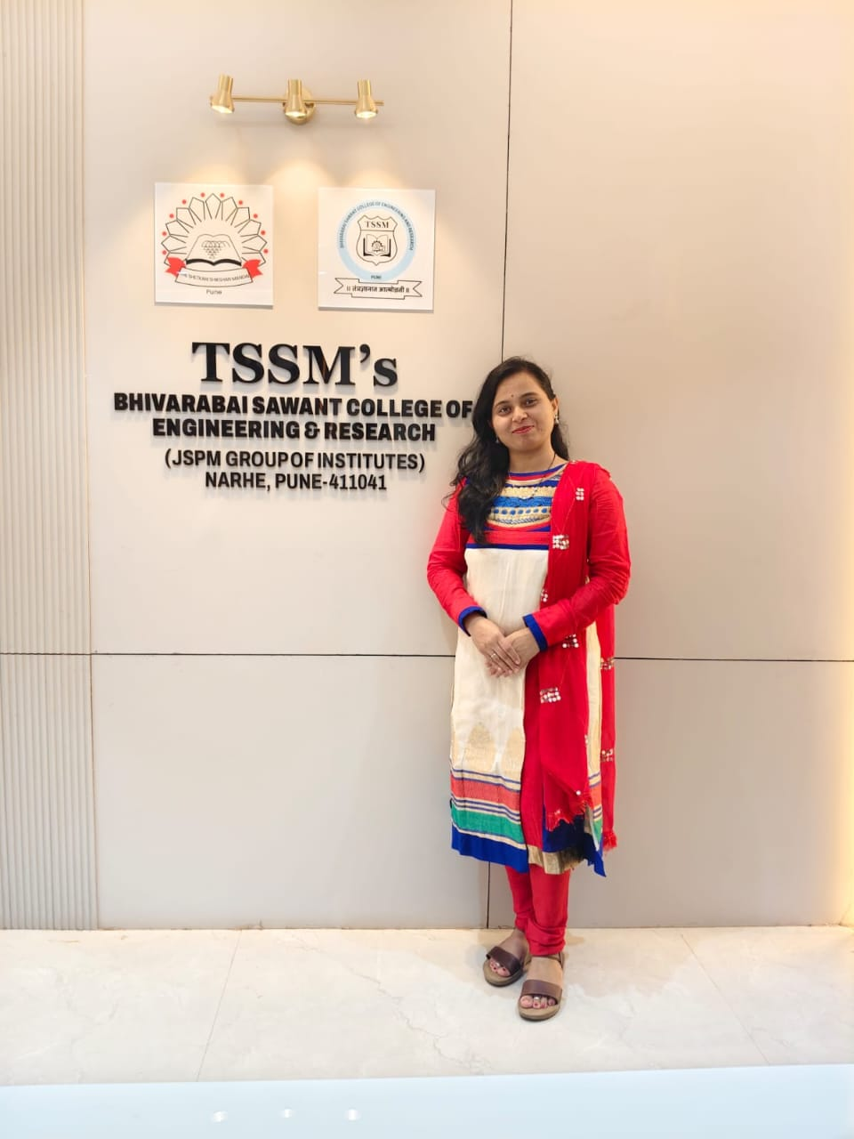
13 | Prof.Ajay T.Aiwale | Assistant Profesor | 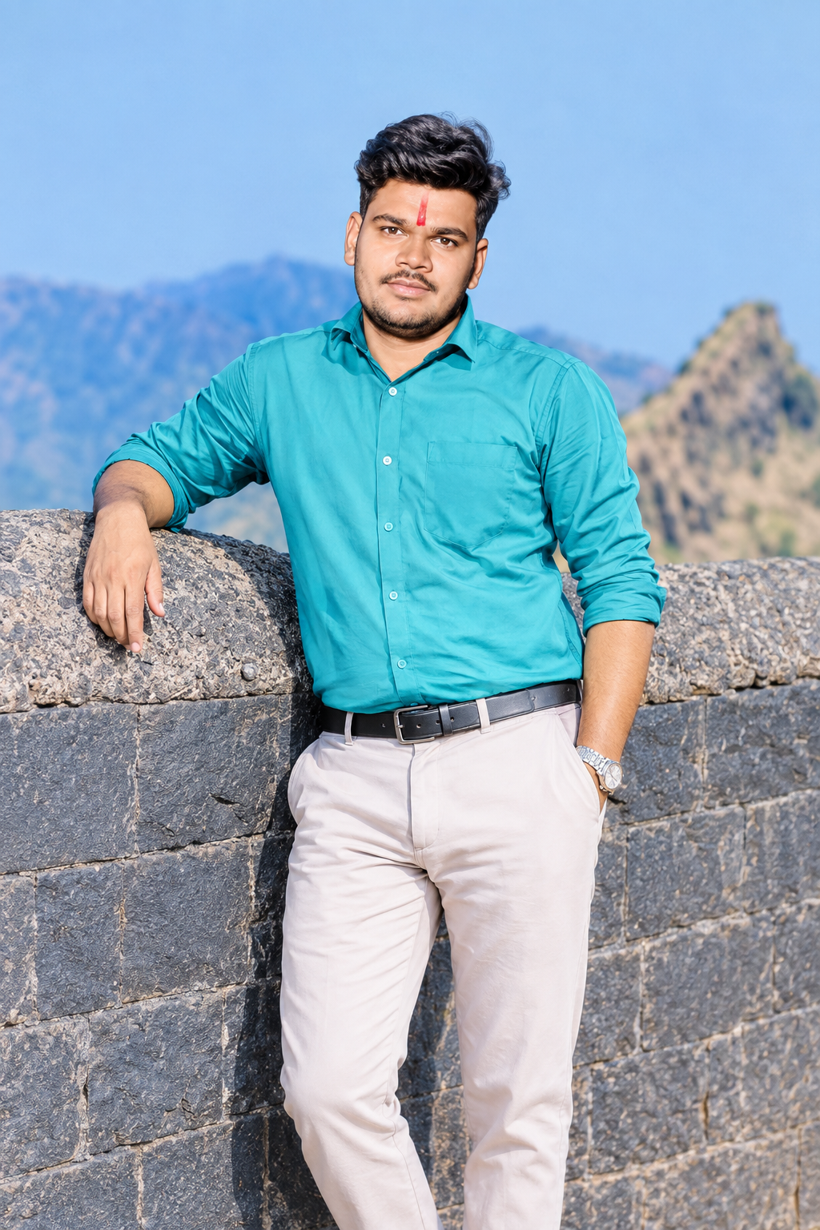
14 | Prof. Parveen Kumari |  | 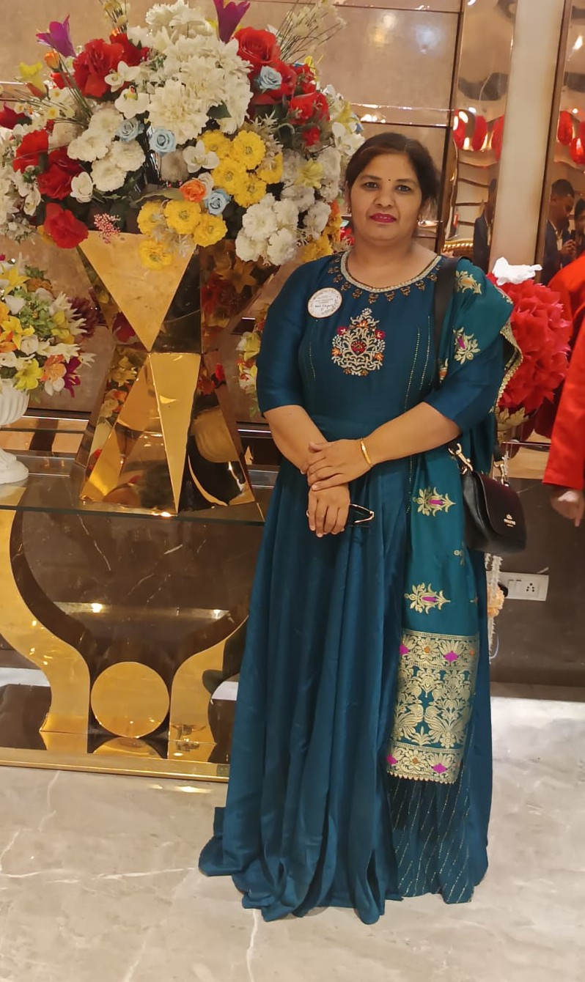
16 | Prof.Soujanya Bhavimani |  | 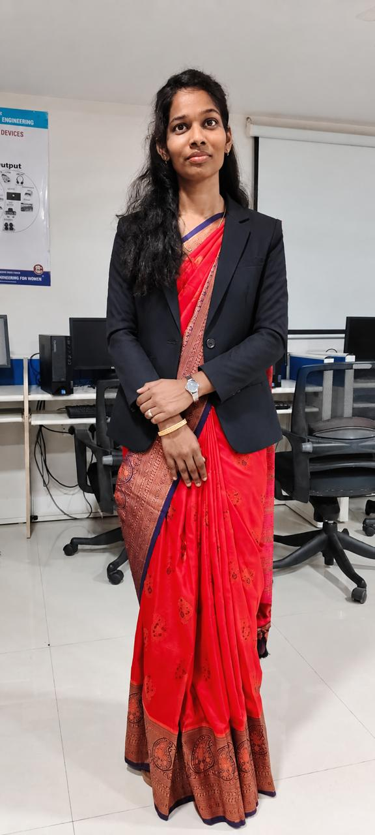
17 | Prof Kamal Shippurkar | Assistant professor | 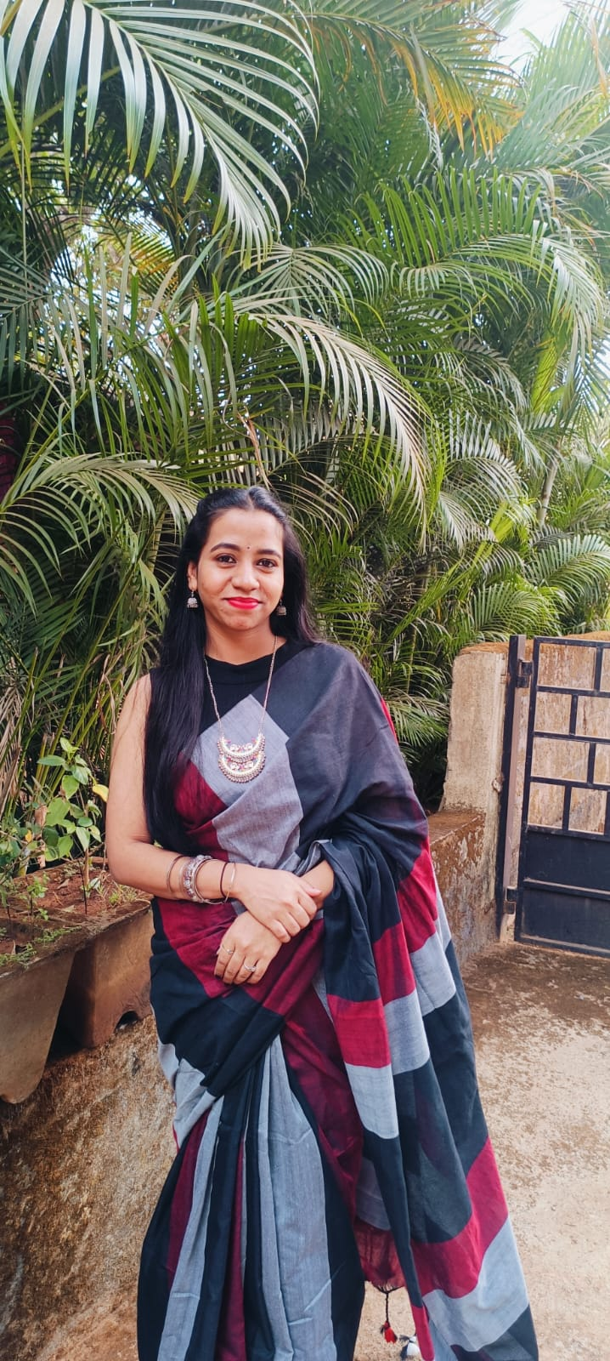
18 | Prof. Aarti Bobade |  | 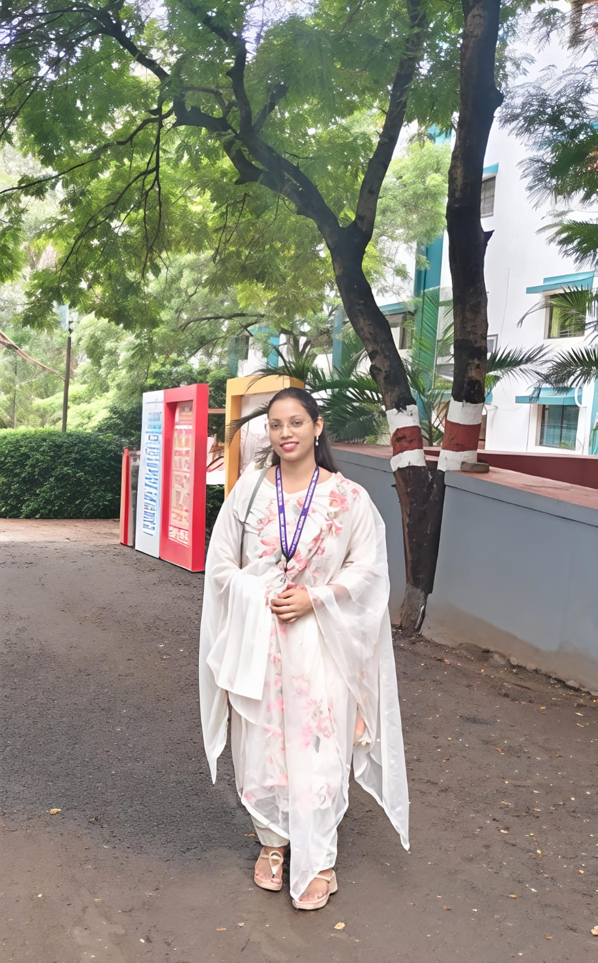
20 | Prof Priya D Bhole | Assistant professor | 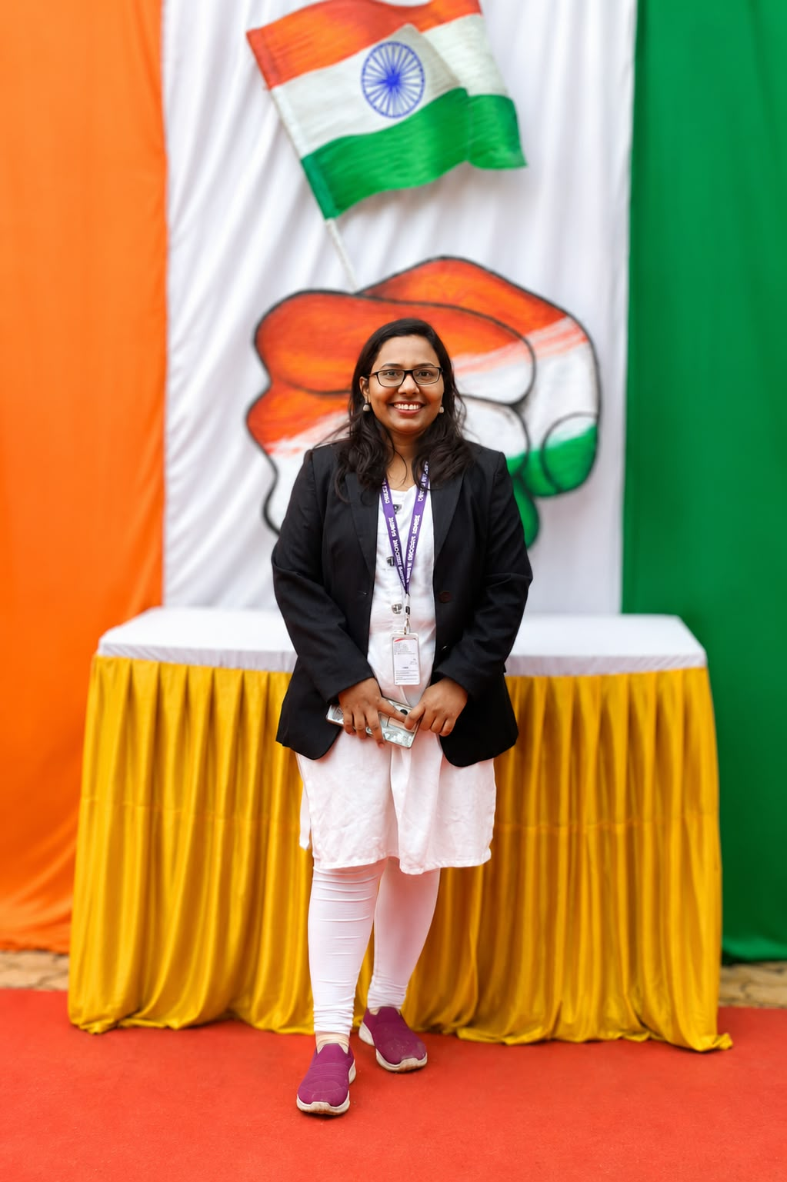

1 | Mr.Shrinivas Vairagal | Technical Assistant | 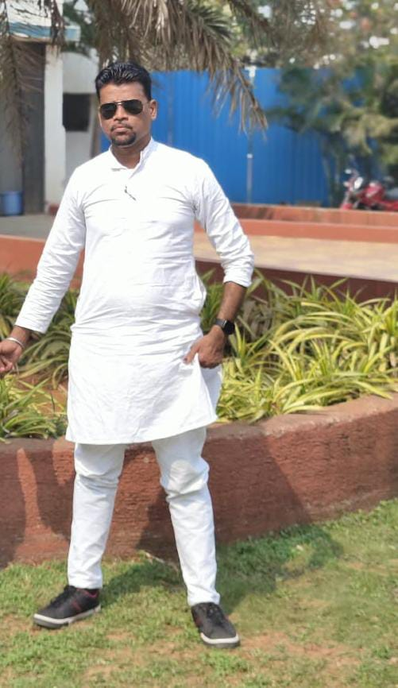
2 | Mrs.Pooja Durgade | Technical Assistant | 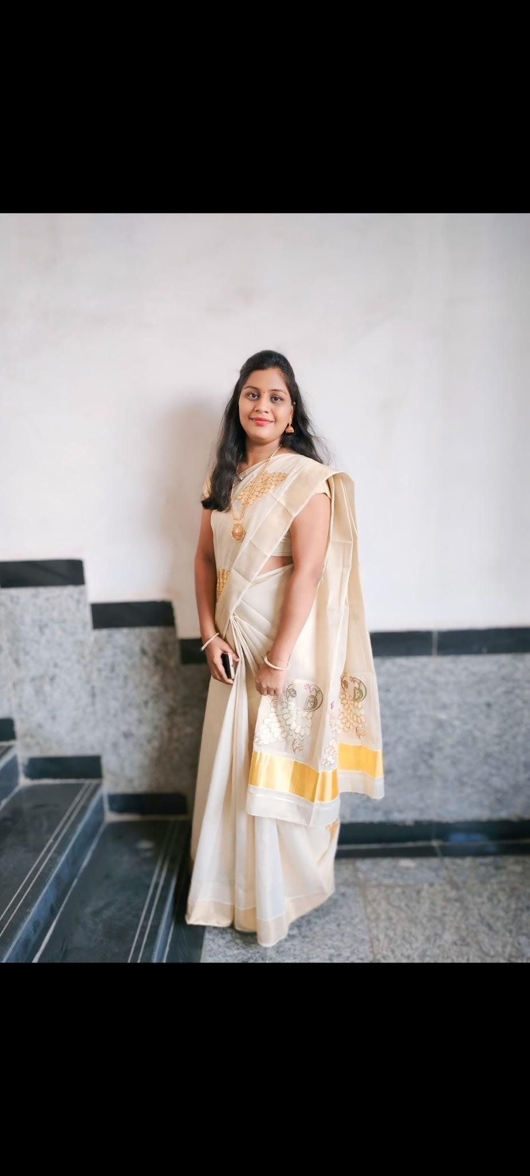
3 | Ms.Priyanka Pawar | Technical Assistant | 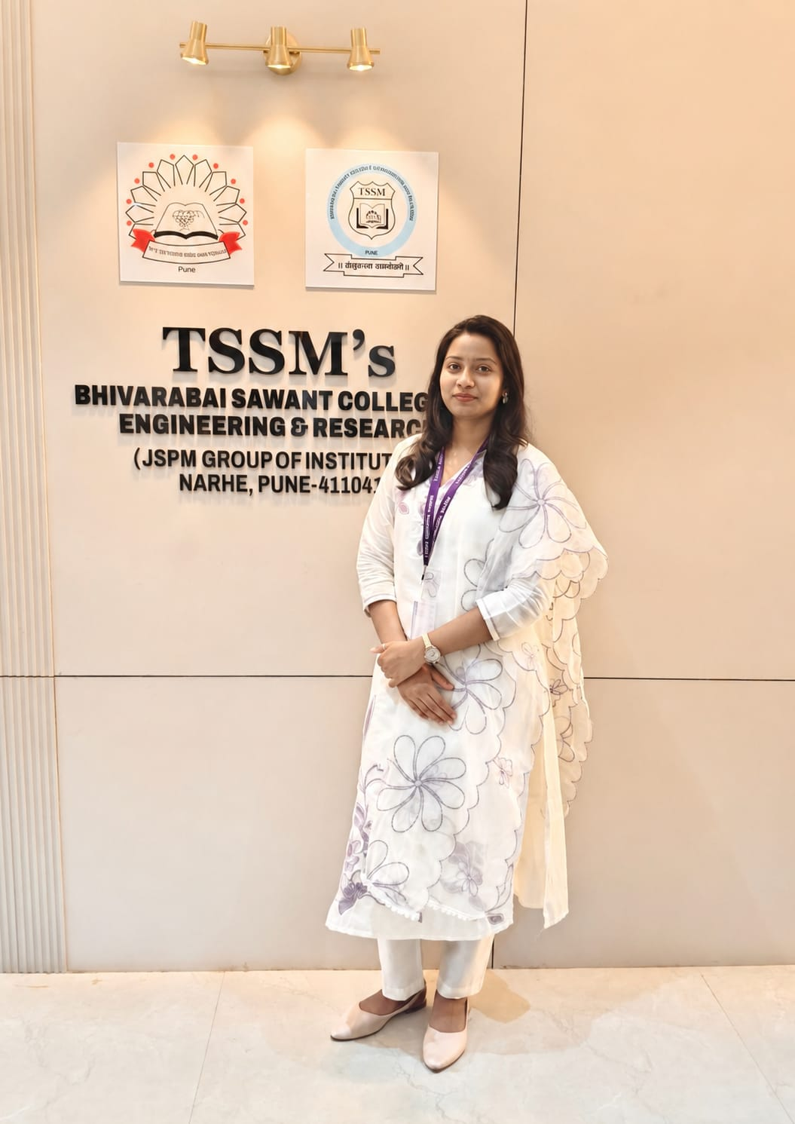
4 | Ms.Tejal Gangane | Technical Assistant | 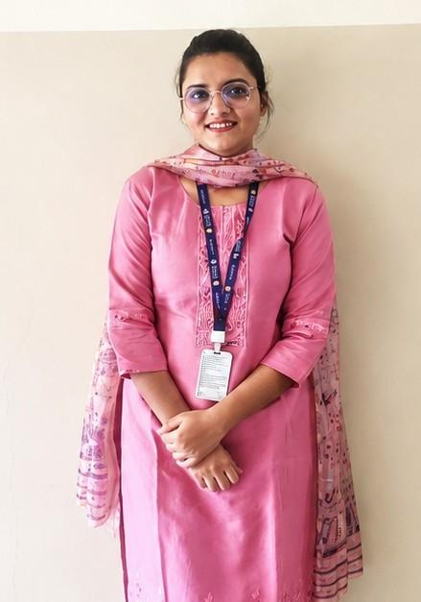
5 | Mr.Virbhadra Nila | Technical Assistant | 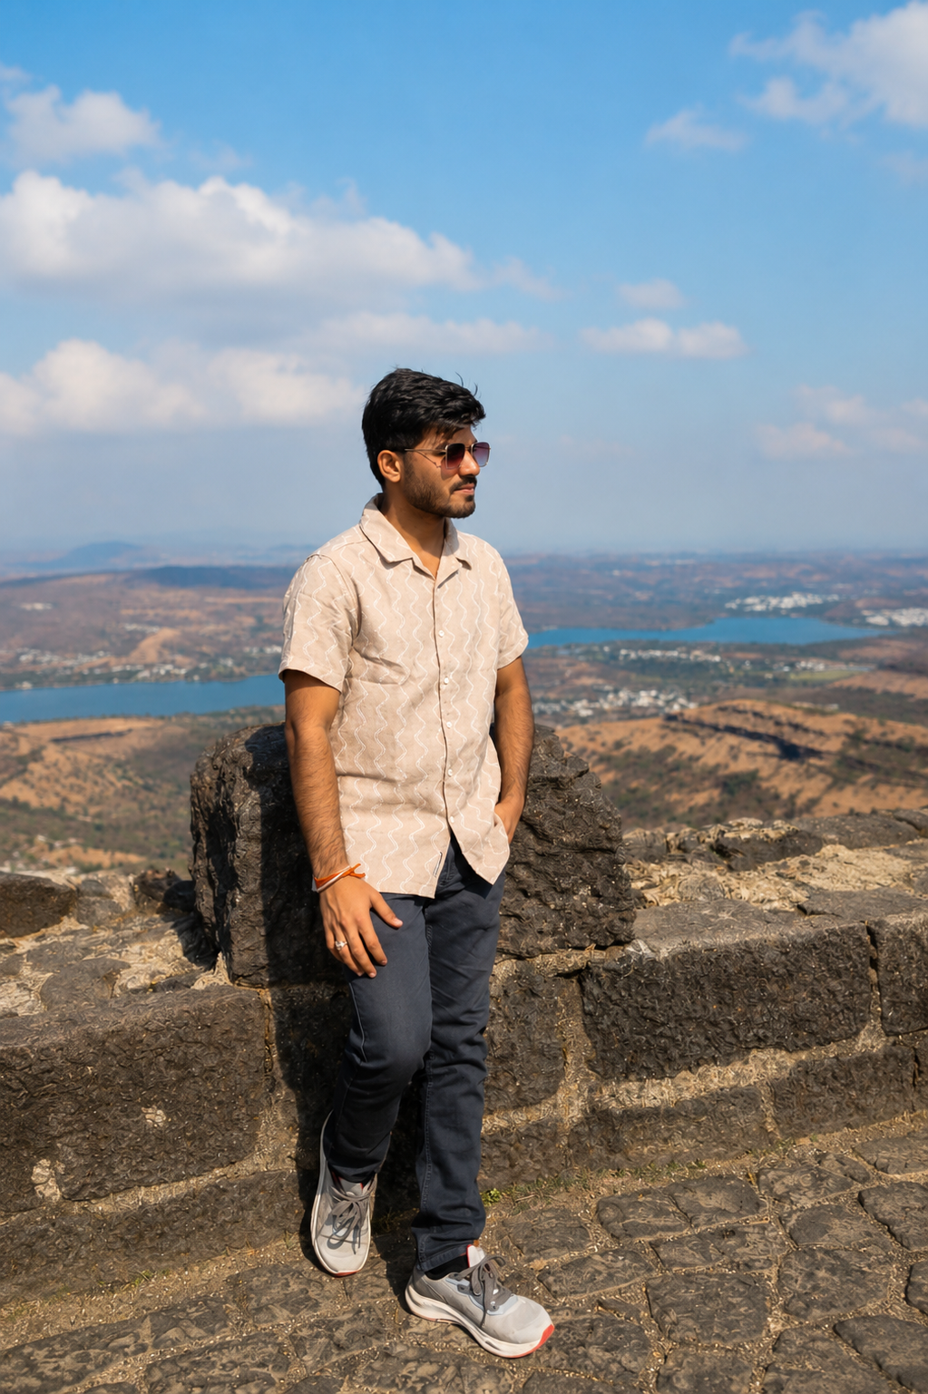
6 | Ms.Rohini.K.Dubal | Technical Assistant | 